METHODS
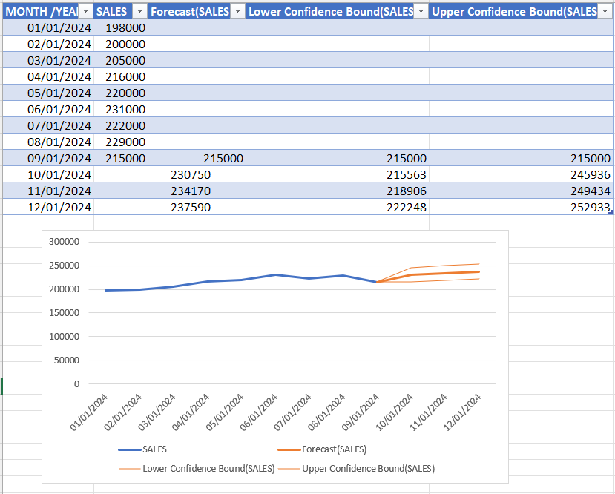
FORECASTING TOOL

STRAIGHT LINE | AVERAGE OF ALL MONTHS
MONTH /YEAR | SALES | FORECAST
2024-01-01 | 198000
2024-01-02 | 200000
2024-01-03 | 205000
2024-01-04 | 216000
2024-01-05 | 220000
2024-01-06 | 231000
2024-01-07 | 222000
2024-01-08 | 229000
2024-01-09 | 215000 | 215000
2024-01-10 |  | 215112
2024-01-11 |  | 215112
2024-01-12 |  | 215112
2024-01-13

Straight Line
 | SALES | FORECAST
1/1/2024 | 198000
1/2/2024 | 200000
1/3/2024 | 205000
1/4/2024 | 216000
1/5/2024 | 220000
1/6/2024 | 231000
1/7/2024 | 222000
1/8/2024 | 229000
1/9/2024 | 215000 | 215000
1/10/2024 |  | 215112
1/11/2024 |  | 215112
1/12/2024 |  | 215112
1/13/2024

MOVING AVERAGE | AVERAGE OF LAST3 MONTHS
MONTH /YEAR | SALES | FORECAST
2024-01-01 | 198000
2024-01-02 | 200000
2024-01-03 | 205000
2024-01-04 | 216000
2024-01-05 | 220000
2024-01-06 | 231000
2024-01-07 | 222000
2024-01-08 | 229000
2024-01-09 | 215000 | 215000
2024-01-10 |  | 222000
2024-01-11 |  | 222000
2024-01-12 |  | 219667
2024-01-13

Moving Average
 | SALES | FORECAST
1/1/2024 | 198000
1/2/2024 | 200000
1/3/2024 | 205000
1/4/2024 | 216000
1/5/2024 | 220000
1/6/2024 | 231000
1/7/2024 | 222000
1/8/2024 | 229000
1/9/2024 | 215000 | 215000
1/10/2024 |  | 222000
1/11/2024 |  | 222000
1/12/2024 |  | 219667
1/13/2024

EXPONENTIAL SMOOTHING | CONSIDERS SEASONALITY
MONTH /YEAR | SALES | FORECAST
2024-01-01 | 198000
2024-01-02 | 200000
2024-01-03 | 205000
2024-01-04 | 216000
2024-01-05 | 220000
2024-01-06 | 231000
2024-01-07 | 222000
2024-01-08 | 229000
2024-01-09 | 215000 | 215000
2024-01-10 |  | 230750
2024-01-11 |  | 234170
2024-01-12 |  | 237591
2024-01-13

Exponential Smoothing
 | SALES | FORECAST
1/1/2024 | 198000
1/2/2024 | 200000
1/3/2024 | 205000
1/4/2024 | 216000
1/5/2024 | 220000
1/6/2024 | 231000
1/7/2024 | 222000
1/8/2024 | 229000
1/9/2024 | 215000 | 215000
1/10/2024 |  | 230750
1/11/2024 |  | 234170
1/12/2024 |  | 237591
1/13/2024

REGRESSION FORECAST
MONTH /YEAR | IMPACTS SALES FOOTFALL | SALES | FORECAST
2024-01-01 | 10000 | 198000
2024-01-02 | 20000 | 200000
2024-01-03 | 30000 | 205000
2024-01-04 | 15000 | 216000
2024-01-05 | 25000 | 220000
2024-01-06 | 13000 | 231000
2024-01-07 | 10000 | 222000
2024-01-08 | 9000 | 229000
2024-01-09 | 23000 | 215000 | 215000
2024-01-10
2024-01-11
2024-01-12
2024-01-13

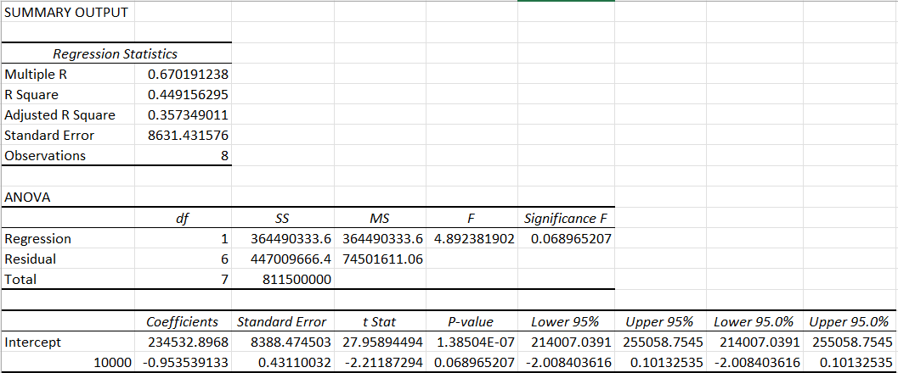

FORECASTED SHEET

FORECAST SHEET
MONTH /YEAR | SALES | Forecast(SALES) | Lower Confidence Bound(SALES) | Upper Confidence Bound(SALES)
2024-01-01 | 198000
2024-01-02 | 200000
2024-01-03 | 205000
2024-01-04 | 216000
2024-01-05 | 220000
2024-01-06 | 231000
2024-01-07 | 222000
2024-01-08 | 229000
2024-01-09 | 215000 | 215000 | 215000 | 215000
2024-01-10 |  | 230750 | 215563 | 245936
2024-01-11 |  | 234170 | 218906 | 249434
2024-01-12 |  | 237590 | 222248 | 252933
 | SALES | Forecast(SALES) | Lower Confidence Bound(SALES) | Upper Confidence Bound(SALES)
 | 198000
 | 200000
 | 205000
 | 216000
 | 220000
 | 231000
 | 222000
 | 229000
 | 215000 | 215000 | 215000 | 215000
 |  | 230749.69158 | 215562.89624 | 245936.48692
 |  | 234169.87027 | 218905.81122 | 249433.92932
 |  | 237590.04896 | 222247.58943 | 252932.50849

